Sheet1
B&N Bookstore

list of order cost |  |  |  | Demand
0 | $24.00 |  |  | $3,000.00 | 500 | 1000 | 1500 | 2000 | 2500 | 3000 | 3500 | 4000 | 4500
1000 | $23.00 |  | Order: | 500 | $3,000 | $3,000 | $3,000 | $3,000 | $3,000 | $3,000 | $3,000 | $3,000 | $3,000
2000 | $22.25 |  |  | 1000 | $(3,000) | $7,000 | $7,000 | $7,000 | $7,000 | $7,000 | $7,000 | $7,000 | $7,000
3000 | $21.75 |  |  | 1500 | $(9,500) | $500 | $10,500 | $10,500 | $10,500 | $10,500 | $10,500 | $10,500 | $10,500
4000 | $21.30 |  |  | 2000 | $(14,500) | $(4,500) | $5,500 | $15,500 | $15,500 | $15,500 | $15,500 | $15,500 | $15,500
 |  |  |  | 2500 | $(20,625) | $(10,625) | $(625) | $9,375 | $19,375 | $19,375 | $19,375 | $19,375 | $19,375
full price | $30.00 |  |  | 3000 | $(25,250) | $(15,250) | $(5,250) | $4,750 | $14,750 | $24,750 | $24,750 | $24,750 | $24,750
reduced price | $10.00 |  |  | 3500 | $(31,125) | $(21,125) | $(11,125) | $(1,125) | $8,875 | $18,875 | $28,875 | $28,875 | $28,875
 |  |  |  | 4000 | $(35,200) | $(25,200) | $(15,200) | $(5,200) | $4,800 | $14,800 | $24,800 | $34,800 | $34,800
Cost: |  |  |  | 4500 | $(40,850) | $(30,850) | $(20,850) | $(10,850) | $(850) | $9,150 | $19,150 | $29,150 | $39,150
number ordered | 500
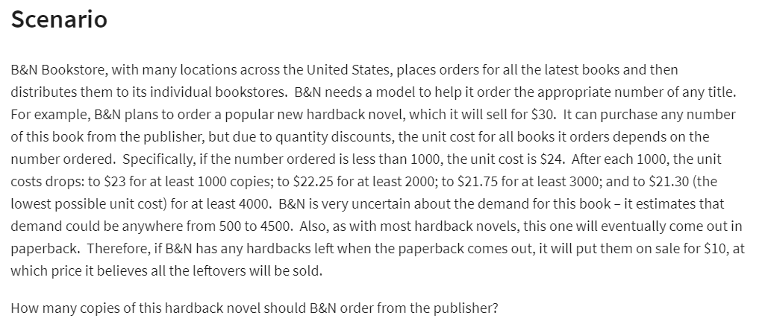
price | $24.00 | =IFS(AND(B14>=A4,B14<A5),B4,AND(B14>=A5, B14<A6),B5,AND(B14>=A6,B14<A7),B6,AND(B14>=A7,B14<A8),B7,B14>=A8,B8)
(way #2) | $24.00 | =VLOOKUP(B14,A4:B8,2, TRUE)
total cost: | $12,000.00 | =B14*B16

Revenue:
Demand | 500 | (500-4500)
leftover book | 0 | =MAX(B14-B20,0)
total revenue: | $15,000.00 | =B11*B21+MIN(B20,B14)*B10

Total Profit: | $3,000.00 | =B22-B17

